Sheet1
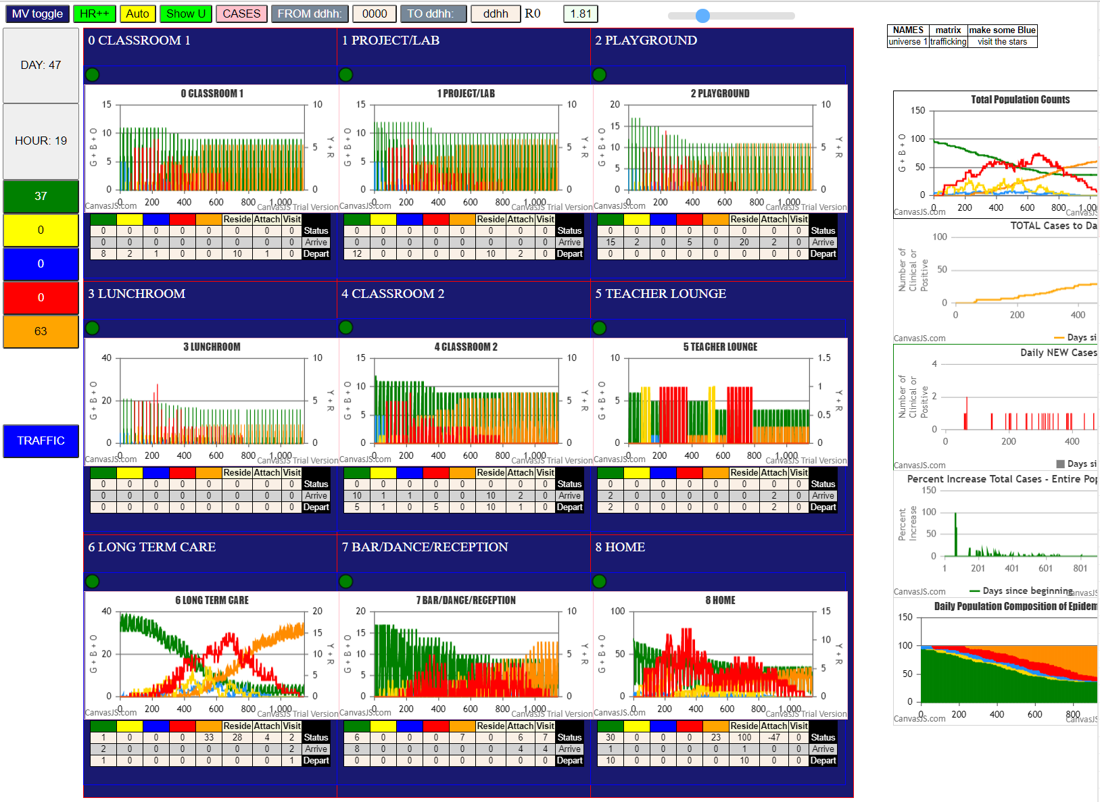
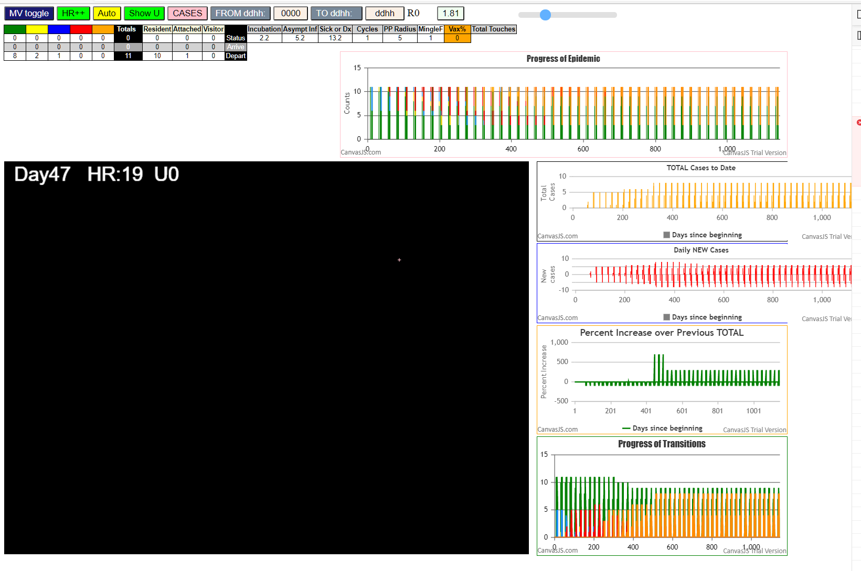

 | 1128

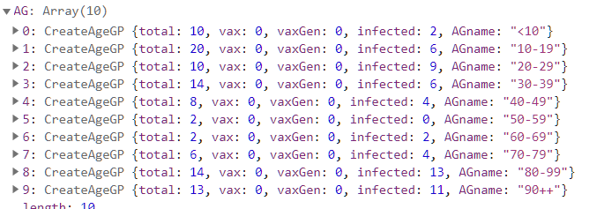
Some messages have been moved to the Issues panel.
​ CovidSIMVL 2021.02.20 version = SingleU graph to line; Comp; States output per gen
​ Mon Feb 22 2021 13:00:49 GMT-0800 (Pacific Standard Time)
​ CovidSIMVL Feb 2021 supports CaseInfDays + HzR + mingleFactor/Univ + popnAges + Multiverse + RiskFactor
​ CovidSIMVL Vax by VisibleU any day for n% remaining susceptibe; Mode1 and Mode2 two jabs
​ Mode 1 >13 and <36 is 75%
​ Mode 2 >28 is 95%; >13 and <29 is 75%
​ exit covidSim
​ getAsText File
​ File
​ Uncaught ReferenceError: A is not defined
at eval (eval at parseL (​), <anonymous>:1:1)
at parseL (​)
at processLines (​)
at processData (​)
at FileReader.loadHandler (​)
​ getAsText File
​ File
​ getAsText File
​ File
​ Structure S0 gen0 100:0:0:0:0
​ Structure S0 gen1 97:0:3:0:0
​ Structure S0 gen3 96:0:4:0:0
​ Structure S0 gen4 95:0:5:0:0
​ 5I x:ageGp:fam 45:6:F06 by blue 13:1:F06 at gen27 Univ8 prob=0.685
​ Structure S0 gen28 94:1:5:0:0
​ 6I x:ageGp:fam 22:1:F02 by blue 10:1:F02 at gen32 Univ8 prob=0.938
​ Structure S0 gen33 93:2:5:0:0
​ Structure S0 gen61 93:2:4:1:0
​ Structure S0 gen63 93:2:3:2:0
CovidSIMVLvax.js:2997 Structure S0 gen67 93:2:2:3:0
CovidSIMVLvax.js:2997 Structure S0 gen69 93:2:0:5:0
CovidSIMVLvax.js:2317 7I x:ageGp:fam 50:4:F03 by red 11:1:F03 at gen74 Univ8 prob=0.581
CovidSIMVLvax.js:2997 Structure S0 gen75 92:2:1:5:0
CovidSIMVLvax.js:2997 Structure S0 gen81 92:1:2:5:0
CovidSIMVLvax.js:2317 8I x:ageGp:fam 31:2:F02 by red 14:1:F07 at gen84 Univ3 prob=0.713
CovidSIMVLvax.js:2997 Structure S0 gen85 91:2:2:5:0
CovidSIMVLvax.js:2317 9I x:ageGp:fam 16:1:F16 by red 13:1:F06 at gen87 Univ0 prob=0.269
CovidSIMVLvax.js:2317 9I x:ageGp:fam 55:2:F11 by red 12:1:F04 at gen88 Univ6 prob=0.102
CovidSIMVLvax.js:2997 Structure S0 gen88 90:3:2:5:0
CovidSIMVLvax.js:2997 Structure S0 gen89 89:4:2:5:0
CovidSIMVLvax.js:2317 11I x:ageGp:fam 20:1:F00 by blue 22:1:F02 at gen105 Univ0 prob=0.990
CovidSIMVLvax.js:2997 Structure S0 gen106 88:5:2:5:0
CovidSIMVLvax.js:2997 Structure S0 gen124 88:4:3:5:0
CovidSIMVLvax.js:2317 12I x:ageGp:fam 95:2:F08 by blue 50:4:F03 at gen137 Univ7 prob=0.909
CovidSIMVLvax.js:2997 Structure S0 gen137 88:2:5:5:0
CovidSIMVLvax.js:2317 12I x:ageGp:fam 68:8:F14 by red 10:1:F02 at gen138 Univ6 prob=0.317
CovidSIMVLvax.js:2997 Structure S0 gen138 87:3:5:5:0
CovidSIMVLvax.js:2997 Structure S0 gen139 86:3:6:5:0
CovidSIMVLvax.js:2997 Structure S0 gen147 86:3:5:6:0
CovidSIMVLvax.js:2997 Structure S0 gen149 86:3:4:7:0
CovidSIMVLvax.js:2997 Structure S0 gen158 86:2:5:7:0
CovidSIMVLvax.js:2317 14I x:ageGp:fam 58:4:F14 by blue 31:2:F02 at gen162 Univ6 prob=0.876
CovidSIMVLvax.js:2997 Structure S0 gen163 85:3:5:7:0
CovidSIMVLvax.js:2317 15I x:ageGp:fam 23:1:F03 by blue 50:4:F03 at gen173 Univ8 prob=0.123
CovidSIMVLvax.js:2997 Structure S0 gen174 84:4:5:7:0
CovidSIMVLvax.js:2997 Structure S0 gen187 84:3:6:7:0
CovidSIMVLvax.js:2317 16I x:ageGp:fam 56:2:F12 by blue 55:2:F11 at gen188 Univ6 prob=0.410
CovidSIMVLvax.js:2997 Structure S0 gen188 84:2:7:7:0
​ Structure S0 gen189 83:3:7:7:0
​ Structure S0 gen191 83:3:6:8:0
​ 17I x:ageGp:fam 42:6:F04 by red 12:1:F04 at gen199 Univ8 prob=0.443
​ Structure S0 gen200 82:4:6:8:0
​ 18I x:ageGp:fam 17:1:F16 by red 13:1:F06 at gen202 Univ2 prob=0.231
​ Structure S0 gen203 81:5:6:8:0
​ 19I x:ageGp:fam 18:1:F17 by red 13:1:F06 at gen204 Univ3 prob=0.332
​ Structure S0 gen204 81:5:5:9:0
​ Structure S0 gen205 80:6:5:9:0
​ Structure S0 gen206 80:6:4:10:0
​ Structure S0 gen207 80:6:3:11:0
​ Structure S0 gen215 80:5:4:11:0
​ 20I x:ageGp:fam 82:9:-1 by blue 68:8:F14 at gen216 Univ6 prob=0.593
​ Structure S0 gen217 79:6:4:11:0
​ 21I x:ageGp:fam 63:8:F02 by red 50:4:F03 at gen226 Univ6 prob=0.797
​ Structure S0 gen226 79:6:3:12:0
​ Structure S0 gen227 78:7:3:12:0
​ Structure S0 gen230 78:6:4:12:0
​ Structure S0 gen237 78:6:4:11:1
​ 22I x:ageGp:fam 62:7:F01 by blue 68:8:F14 at gen238 Univ6 prob=0.412
​ Structure S0 gen239 77:7:4:11:1
​ Structure S0 gen241 77:7:4:10:2
​ Structure S0 gen244 77:6:5:10:2
​ Structure S0 gen245 77:6:5:9:3
​ Structure S0 gen249 77:5:6:9:3
​ Structure S0 gen254 77:4:7:9:3
​ Structure S0 gen255 77:3:8:9:3
​ Structure S0 gen256 77:3:7:10:3
​ Structure S0 gen259 77:3:7:9:4
​ Structure S0 gen260 77:3:6:10:4
​ Structure S0 gen261 77:3:6:9:5
​ 23I x:ageGp:fam 61:4:F17 by red 68:8:F14 at gen270 Univ6 prob=0.101
​ Structure S0 gen270 77:2:7:9:5
​ 23I x:ageGp:fam 72:9:-1 by red 50:4:F03 at gen271 Univ6 prob=0.403
​ Structure S0 gen271 76:3:7:9:5
​ Structure S0 gen272 75:4:7:9:5
​ 25I x:ageGp:fam 54:2:F09 by red 50:4:F03 at gen273 Univ6 prob=0.306
​ Structure S0 gen274 74:5:7:9:5
​ Structure S0 gen275 74:5:6:10:5
​ Structure S0 gen276 74:4:7:10:5
​ 26I x:ageGp:fam 89:9:-1 by blue 56:2:F12 at gen279 Univ6 prob=0.658
​ Structure S0 gen280 73:5:7:10:5
​ 27I x:ageGp:fam 78:7:-1 by red 55:2:F11 at gen286 Univ6 prob=0.115
​ Structure S0 gen287 72:6:7:10:5
​ Structure S0 gen291 72:5:8:10:5
​ Structure S0 gen296 72:5:7:11:5
​ Structure S0 gen306 72:5:6:12:5
​ Structure S0 gen313 72:5:5:13:5
​ Structure S0 gen318 72:4:6:13:5
​ Structure S0 gen319 72:4:5:14:5
​ 28I x:ageGp:fam 5:0:F08 by red 18:1:F17 at gen322 Univ2 prob=0.283
​ Structure S0 gen323 71:4:6:13:6
​ Structure S0 gen326 71:4:5:14:6
​ Structure S0 gen327 71:3:6:13:7
​ Structure S0 gen330 71:3:5:14:7
​ Structure S0 gen333 71:2:6:14:7
​ Structure S0 gen335 71:1:7:14:7
​ Structure S0 gen343 71:1:6:15:7
​ 29I x:ageGp:fam 71:8:F18 by red 63:8:F02 at gen346 Univ6 prob=0.146
​ Structure S0 gen347 70:2:6:15:7
​ 30I x:ageGp:fam 80:8:-1 by blue 89:9:-1 at gen352 Univ6 prob=0.342
​ Structure S0 gen353 69:3:6:15:7
​ Structure S0 gen358 69:3:5:16:7
​ Structure S0 gen369 69:3:5:15:8
​ Structure S0 gen371 69:2:6:15:8
​ Structure S0 gen373 69:2:6:14:9
​ 31I x:ageGp:fam 86:9:-1 by red 82:9:-1 at gen374 Univ6 prob=0.862
​ Structure S0 gen375 68:3:6:14:9
​ 32I x:ageGp:fam 6:0:F09 by blue 54:2:F09 at gen384 Univ8 prob=0.858
​ Structure S0 gen385 67:4:6:14:9
​ Structure S0 gen386 67:4:5:15:9
​ Structure S0 gen387 67:4:4:16:9
​ Structure S0 gen389 67:4:3:16:10
​ Structure S0 gen390 67:4:3:15:11
​ Structure S0 gen396 67:3:4:15:11
​ Structure S0 gen399 67:3:3:16:11
​ Structure S0 gen400 67:3:3:15:12
​ 33I x:ageGp:fam 64:8:F03 by red 63:8:F02 at gen401 Univ6 prob=0.880
​ Structure S0 gen401 67:2:3:16:12
​ Structure S0 gen402 66:3:3:16:12
​ 34I x:ageGp:fam 57:3:F13 by red 72:9:-1 at gen404 Univ6 prob=0.989
​ Structure S0 gen405 65:4:3:16:12
​ 35I x:ageGp:fam 84:9:-1 by red 61:4:F17 at gen408 Univ6 prob=0.054
​ Structure S0 gen409 64:5:3:16:12
​ Structure S0 gen424 64:5:3:15:13
​ Structure S0 gen425 64:4:4:15:13
​ 36I x:ageGp:fam 79:9:-1 by blue 86:9:-1 at gen427 Univ6 prob=0.470
​ 36I x:ageGp:fam 60:3:F16 by red 17:1:F16 at gen427 Univ8 prob=0.551
​ Structure S0 gen428 62:6:4:15:13
​ Structure S0 gen434 62:5:5:15:13
​ 38I x:ageGp:fam 81:8:-1 by red 61:4:F17 at gen436 Univ6 prob=0.721
​ Structure S0 gen437 61:6:5:15:13
​ Structure S0 gen440 61:6:4:16:13
​ 39I x:ageGp:fam 48:3:F00 by red 89:9:-1 at gen446 Univ6 prob=0.866
​ Structure S0 gen447 60:7:4:16:13
​ 40I x:ageGp:fam 66:8:F06 by red 89:9:-1 at gen449 Univ6 prob=0.678
​ Structure S0 gen450 59:8:4:16:13
​ Structure S0 gen454 59:8:4:15:14
​ Structure S0 gen456 59:7:5:15:14
​ Structure S0 gen457 59:6:6:15:14
​ Structure S0 gen458 59:5:7:15:14
​ Structure S0 gen463 59:5:7:14:15
​ Structure S0 gen464 59:5:7:13:16
​ Structure S0 gen470 59:5:6:14:16
​ Structure S0 gen471 59:5:5:15:16
​ 41I x:ageGp:fam 83:9:-1 by blue 64:8:F03 at gen475 Univ6 prob=0.457
​ Structure S0 gen476 58:5:6:15:16
​ 42I x:ageGp:fam 91:2:F01 by blue 60:3:F16 at gen478 Univ7 prob=0.787
​ Structure S0 gen478 58:4:7:15:16
​ Structure S0 gen479 57:5:7:15:16
​ Structure S0 gen485 57:4:8:15:16
​ Structure S0 gen489 57:4:8:14:17
​ Structure S0 gen498 57:4:7:15:17
​ Structure S0 gen499 57:4:6:15:18
​ 43I x:ageGp:fam 35:2:F18 by blue 60:3:F16 at gen502 Univ7 prob=0.476
​ Structure S0 gen502 57:2:8:15:18
​ Structure S0 gen503 56:3:8:14:19
​ 44I x:ageGp:fam 88:8:-1 by blue 81:8:-1 at gen509 Univ6 prob=0.389
CovidSIMVLvax.js:2997 Structure S0 gen510 55:4:8:13:20
CovidSIMVLvax.js:2317 45I x:ageGp:fam 69:8:F14 by red 54:2:F09 at gen515 Univ6 prob=0.195
CovidSIMVLvax.js:2997 Structure S0 gen516 54:5:8:12:21
CovidSIMVLvax.js:2317 46I x:ageGp:fam 52:3:F07 by red 78:7:-1 at gen518 Univ6 prob=0.101
CovidSIMVLvax.js:2997 Structure S0 gen519 53:6:8:11:22
CovidSIMVLvax.js:2997 Structure S0 gen520 53:6:7:12:22
CovidSIMVLvax.js:2997 Structure S0 gen522 53:6:6:13:22
CovidSIMVLvax.js:2997 Structure S0 gen523 53:6:5:14:22
CovidSIMVLvax.js:2317 47I x:ageGp:fam 77:9:-1 by red 78:7:-1 at gen526 Univ6 prob=0.546
CovidSIMVLvax.js:2997 Structure S0 gen527 52:6:6:14:22
CovidSIMVLvax.js:2317 48I x:ageGp:fam 49:4:F02 by red 64:8:F03 at gen536 Univ6 prob=0.104
CovidSIMVLvax.js:2317 48I x:ageGp:fam 76:8:-1 by red 64:8:F03 at gen537 Univ6 prob=0.518
CovidSIMVLvax.js:2997 Structure S0 gen537 51:7:6:14:22
CovidSIMVLvax.js:2997 Structure S0 gen538 50:8:6:14:22
CovidSIMVLvax.js:2997 Structure S0 gen546 50:7:7:14:22
CovidSIMVLvax.js:2997 Structure S0 gen548 50:7:6:15:22
CovidSIMVLvax.js:2997 Structure S0 gen550 50:7:6:14:23
CovidSIMVLvax.js:2997 Structure S0 gen551 50:6:6:15:23
CovidSIMVLvax.js:2997 Structure S0 gen558 50:6:5:16:23
CovidSIMVLvax.js:2317 50I x:ageGp:fam 75:8:-1 by red 84:9:-1 at gen559 Univ6 prob=0.337
CovidSIMVLvax.js:2997 Structure S0 gen560 49:7:5:16:23
CovidSIMVLvax.js:2997 Structure S0 gen563 49:6:6:16:23
CovidSIMVLvax.js:2997 Structure S0 gen565 49:6:5:17:23
CovidSIMVLvax.js:2317 51I x:ageGp:fam 74:9:-1 by red 84:9:-1 at gen567 Univ6 prob=0.979
CovidSIMVLvax.js:2997 Structure S0 gen567 49:6:5:16:24
CovidSIMVLvax.js:2997 Structure S0 gen568 48:7:5:16:24
CovidSIMVLvax.js:2997 Structure S0 gen569 48:6:6:15:25
CovidSIMVLvax.js:2997 Structure S0 gen571 48:6:5:16:25
CovidSIMVLvax.js:2997 Structure S0 gen573 48:5:6:15:26
CovidSIMVLvax.js:2997 Structure S0 gen574 48:5:6:14:27
CovidSIMVLvax.js:2997 Structure S0 gen582 48:4:7:14:27
CovidSIMVLvax.js:2997 Structure S0 gen585 48:3:8:14:27
CovidSIMVLvax.js:2317 52I x:ageGp:fam 46:8:F10 by red 64:8:F03 at gen589 Univ6 prob=0.466
CovidSIMVLvax.js:2997 Structure S0 gen590 47:4:7:15:27
CovidSIMVLvax.js:2997 Structure S0 gen591 47:3:8:15:27
CovidSIMVLvax.js:2997 Structure S0 gen592 47:3:7:16:27
CovidSIMVLvax.js:2997 Structure S0 gen602 47:3:7:15:28
CovidSIMVLvax.js:2997 Structure S0 gen612 47:2:8:15:28
CovidSIMVLvax.js:2317 53I x:ageGp:fam 39:3:F13 by blue 35:2:F18 at gen618 Univ7 prob=0.891
CovidSIMVLvax.js:2997 Structure S0 gen619 46:2:9:15:28
CovidSIMVLvax.js:2997 Structure S0 gen627 46:2:8:16:28
CovidSIMVLvax.js:2997 Structure S0 gen629 46:2:8:15:29
CovidSIMVLvax.js:2997 Structure S0 gen630 46:2:7:16:29
CovidSIMVLvax.js:2997 Structure S0 gen631 46:2:6:17:29
CovidSIMVLvax.js:2997 Structure S0 gen632 46:2:5:18:29
CovidSIMVLvax.js:2997 Structure S0 gen639 46:2:4:19:29
CovidSIMVLvax.js:2317 54I x:ageGp:fam 90:2:F00 by red 60:3:F16 at gen640 Univ7 prob=0.818
CovidSIMVLvax.js:2997 Structure S0 gen641 45:2:5:19:29
CovidSIMVLvax.js:2997 Structure S0 gen650 45:2:4:20:29
CovidSIMVLvax.js:2997 Structure S0 gen652 45:2:4:19:30
CovidSIMVLvax.js:2317 55I x:ageGp:fam 67:8:F13 by red 79:9:-1 at gen657 Univ6 prob=0.337
CovidSIMVLvax.js:2997 Structure S0 gen658 44:3:4:19:30
CovidSIMVLvax.js:2997 Structure S0 gen661 44:3:3:20:30
CovidSIMVLvax.js:2997 Structure S0 gen662 44:3:3:19:31
CovidSIMVLvax.js:2317 56I x:ageGp:fam 87:9:-1 by red 84:9:-1 at gen667 Univ6 prob=0.772
CovidSIMVLvax.js:2997 Structure S0 gen668 43:4:3:19:31
CovidSIMVLvax.js:2317 57I x:ageGp:fam 70:7:F15 by red 79:9:-1 at gen669 Univ6 prob=0.898
CovidSIMVLvax.js:2997 Structure S0 gen670 42:5:3:19:31
CovidSIMVLvax.js:2997 Structure S0 gen671 42:4:4:19:31
CovidSIMVLvax.js:2997 Structure S0 gen672 42:4:3:20:31
CovidSIMVLvax.js:2997 Structure S0 gen680 42:4:2:19:33
CovidSIMVLvax.js:2317 58I x:ageGp:fam 37:2:F11 by red 91:2:F01 at gen683 Univ7 prob=0.394
CovidSIMVLvax.js:2997 Structure S0 gen684 41:5:2:19:33
CovidSIMVLvax.js:2997 Structure S0 gen689 41:4:3:19:33
CovidSIMVLvax.js:2997 Structure S0 gen706 41:4:3:17:35
CovidSIMVLvax.js:2997 Structure S0 gen707 41:3:4:17:35
CovidSIMVLvax.js:2997 Structure S0 gen709 41:3:3:18:35
CovidSIMVLvax.js:2317 59I x:ageGp:fam 65:7:F03 by red 83:9:-1 at gen717 Univ6 prob=0.799
CovidSIMVLvax.js:2997 Structure S0 gen718 40:4:3:18:35
CovidSIMVLvax.js:2997 Structure S0 gen719 40:3:4:18:35
CovidSIMVLvax.js:2997 Structure S0 gen720 40:3:4:17:36
CovidSIMVLvax.js:2997 Structure S0 gen721 40:2:5:17:36
CovidSIMVLvax.js:2997 Structure S0 gen723 40:2:5:16:37
CovidSIMVLvax.js:2317 60I x:ageGp:fam 53:3:F08 by blue 67:8:F13 at gen730 Univ6 prob=0.115
CovidSIMVLvax.js:2997 Structure S0 gen731 39:3:5:16:37
CovidSIMVLvax.js:2997 Structure S0 gen732 39:3:4:17:37
CovidSIMVLvax.js:2997 Structure S0 gen734 39:2:5:17:37
CovidSIMVLvax.js:2997 Structure S0 gen744 39:2:5:16:38
CovidSIMVLvax.js:2997 Structure S0 gen748 39:2:5:15:39
CovidSIMVLvax.js:2997 Structure S0 gen754 39:2:5:14:40
CovidSIMVLvax.js:2997 Structure S0 gen759 39:2:4:15:40
CovidSIMVLvax.js:2997 Structure S0 gen761 39:2:4:14:41
CovidSIMVLvax.js:2997 Structure S0 gen768 39:1:5:14:41
CovidSIMVLvax.js:2997 Structure S0 gen772 39:1:4:14:42
CovidSIMVLvax.js:2300 Uncaught TypeError: Cannot read property 'total' of undefined
at VLtransfer (CovidSIMVLvax.js:2300)
at testOverlap (CovidSIMVLvax.js:2019)
at moveItmoveIt (CovidSIMVLvax.js:1909)
at finishHour (CovidSIMVLvax.js:2496)
at conductor (CovidSIMVLvax.js:2488)
at TimesUp (CovidSIMVLvax.js:2414)
CovidSIMVLvax.js:2997 Structure S0 gen780 38:1:5:14:42
CovidSIMVLvax.js:2997 Structure S0 gen783 38:1:4:15:42
CovidSIMVLvax.js:2997 Structure S0 gen787 38:1:3:16:42
CovidSIMVLvax.js:2997 Structure S0 gen791 38:1:3:15:43
CovidSIMVLvax.js:2997 Structure S0 gen795 38:1:3:13:45
CovidSIMVLvax.js:2997 Structure S0 gen806 38:1:2:14:45
CovidSIMVLvax.js:2997 Structure S0 gen812 38:1:2:13:46
CovidSIMVLvax.js:2317 62I x:ageGp:fam 85:9:-1 by red 74:9:-1 at gen814 Univ6 prob=0.896
CovidSIMVLvax.js:2997 Structure S0 gen815 37:2:2:13:46
CovidSIMVLvax.js:2997 Structure S0 gen827 37:2:2:12:47
CovidSIMVLvax.js:2997 Structure S0 gen830 37:1:3:12:47
CovidSIMVLvax.js:2997 Structure S0 gen832 37:1:3:10:49
CovidSIMVLvax.js:2997 Structure S0 gen833 37:1:3:9:50
CovidSIMVLvax.js:2997 Structure S0 gen834 37:1:2:10:50
CovidSIMVLvax.js:2997 Structure S0 gen852 37:1:1:11:50
CovidSIMVLvax.js:2997 Structure S0 gen856 37:1:1:10:51
CovidSIMVLvax.js:2997 Structure S0 gen867 37:0:2:10:51
CovidSIMVLvax.js:2997 Structure S0 gen882 37:0:2:9:52
CovidSIMVLvax.js:2997 Structure S0 gen903 37:0:1:10:52
CovidSIMVLvax.js:2997 Structure S0 gen906 37:0:1:9:53
CovidSIMVLvax.js:2997 Structure S0 gen914 37:0:1:8:54
CovidSIMVLvax.js:2997 Structure S0 gen928 37:0:1:7:55
CovidSIMVLvax.js:2997 Structure S0 gen936 37:0:0:8:55
CovidSIMVLvax.js:2997 Structure S0 gen954 37:0:0:7:56
CovidSIMVLvax.js:2997 Structure S0 gen968 37:0:0:6:57
CovidSIMVLvax.js:2997 Structure S0 gen982 37:0:0:5:58
CovidSIMVLvax.js:2997 Structure S0 gen987 37:0:0:4:59
CovidSIMVLvax.js:2997 Structure S0 gen1011 37:0:0:3:60
CovidSIMVLvax.js:2997 Structure S0 gen1042 37:0:0:2:61
CovidSIMVLvax.js:2997 Structure S0 gen1095 37:0:0:1:62
CovidSIMVLvax.js:2997 Structure S0 gen1115 37:0:0:0:63
CovidSIMVLvax.js:3008 Structure U6 gen1147 1:0:0:0:33
CovidSIMVLvax.js:3008 Structure U7 gen1147 6:0:0:0:7
CovidSIMVLvax.js:3008 Structure U8 gen1147 30:0:0:0:23

